Sheet1
Style-Color | Picture | Coord Grp | Class Name | Season Year # | Fabrication | Season Year Name | Style Name | Color # | Color Name | Available Inventory | Retail Price (CAD) | WHL PRICE (CAD) | PRICES
35S1GM9T0L-1:XS NS SHOPPER/BLACK |  | MERCER | Crossbody | S21 | Leather | Spring 2021 | XS NS SHOPPER | 1 | BLACK | 1,000 | $428.00 | $214.00 | $124.90
35T1GM9C0I-7183:XS NS SHOPPER XBODY/PWD BLSH MLT |  | MERCER | Crossbody | T21 | PVC | TRans 2021 | XS NS SHOPPER XBODY | 7183 | PWD BLSH MLT | 800 | $428.00 | $214.00 | $124.90
35T1GM9C0I-200:XS NS SHOPPER XBODY/BROWN |  | MERCER | Crossbody | T21 | PVC | TRans 2021 | XS NS SHOPPER XBODY | 200 | BROWN | 700 | $428.00 | $214.00 | $124.90
35S1GM9T0L-2171:XS NS SHOPPER/LT CREAM |  | MERCER | Crossbody | T21 | Leather | TRans 2021 | XS NS SHOPPER | 2171 | LT CREAM | 500 | $428.00 | $214.00 | $124.90
35S1GM9T0L-623:XS NS SHOPPER/POPPY |  | MERCER | Crossbody | F23 | Leather | Fall 2023 | XS NS SHOPPER | 623 | POPPY | 600 | $428.00 | $214.00 | $124.90
35H1TNCS8L-1:MD TH SCHOOL SATCHEL/BLACK |  | MANHATTAN | Satchel | H21 | Leather | Holiday 2021 | MD TH SCHOOL SATCHEL | 1 | BLACK | 800 | $728.00 | $364.00 | $210.76
35H1TNCS8L-1999:MD TH SCHOOL SATCHEL/OPTIC WHITE |  | MANHATTAN | Satchel | H21 | Leather | Holiday 2021 | MD TH SCHOOL SATCHEL | 1999 | OPTIC WHITE | 700 | $728.00 | $364.00 | $210.76
35F1GNCS6V-7183:MD TH SCHOOL SATCHEL/PWD BLSH MLT |  | MANHATTAN | Satchel | F23 | Leather | Fall 2023 | MD TH SCHOOL SATCHEL | 7183 | PWD BLSH MLT | 600 | $728.00 | $364.00 | $210.76
35T1G5MT7B-150:LG 3IN1 TOTE/VANILLA |  | MAISIE | Tote | T21 | PVC | TRans 2021 | LG 3IN1 TOTE | 150 | VANILLA | 900 | $798.00 | $399.00 | $230.90
35T1G5MT7B-9150:LG 3IN1 TOTE/DARK POWDER BLUSH |  | MAISIE | Tote | F22 | PVC | FALL 2022 | LG 3IN1 TOTE | 9150 | DARK POWDER BLUSH | 700 | $798.00 | $399.00 | $230.90
35S1G2GT7L-2717:LG DRWSTG TRVL TOTE/PRIMROSE |  | GILLY | Tote | F23 | Saffiano Leather | Fall 2023 | LG DRWSTG TRVL TOTE | 2717 | PRIMROSE | 300 | $628.00 | $314.00 | $182.14
35S1G2GT7L-2610:LG DRWSTG TRVL TOTE/BRIGHT RED |  | GILLY | Tote | H23 | Saffiano Leather | Holiday 2023 | LG DRWSTG TRVL TOTE | 2610 | BRIGHT RED | 500 | $628.00 | $314.00 | $182.14
35S1G2GT7L-1:LG DRWSTG TRVL TOTE/BLACK |  | GILLY | Tote | S21 | Saffiano Leather | Spring 2021 | LG DRWSTG TRVL TOTE | 1 | BLACK | 300 | $628.00 | $314.00 | $182.14
35S1G2GT7B-150:LG DRWSTG TRVL TOTE/VANILLA |  | GILLY | Tote | S21 | PVC | Spring 2021 | LG DRWSTG TRVL TOTE | 150 | VANILLA | 300 | $628.00 | $314.00 | $182.14
30T2G7ET3L-1663:LG OPEN TOTE/SOFT PINK |  | EDITH | Tote | F22 | Saffiano Leather | FALL 2022 | LG OPEN TOTE | 1663 | SOFT PINK | 500 | $458.00 | $229.00 | $133.38
35T0GCFT7L-1:LG TZ TOTE/BLACK |  | CHARLOTTE | Tote | T20 | Saffiano Leather | Trans 2020 | LG TZ TOTE | 1 | BLACK | 700 | $528.00 | $264.00 | $153.52
35T0GCFT7L-6487:LG TZ TOTE/DARK CHERRY |  | CHARLOTTE | Tote | H23 | Saffiano Leather | Holiday 2023 | LG TZ TOTE | 6487 | DARK CHERRY | 400 | $528.00 | $264.00 | $153.52
35T0GCFT3B-200:LG TZ TOTE/BROWN |  | CHARLOTTE | Tote | T20 | PVC | Trans 2020 | LG TZ TOTE | 200 | BROWN | 700 | $528.00 | $264.00 | $153.52
35F1GTVT3L-1:LG X CHN SHLDR TOTE/BLACK |  | JET SET TRAVEL | Tote | F21 | Saffiano Leather | Fall 2021 | LG X CHN SHLDR TOTE | 1 | BLACK | 500 | $628.00 | $314.00 | $182.14
35F1GTVT3B-200:LG X CHN SHLDR TOTE/BROWN |  | JET SET TRAVEL | Tote | F21 | PVC | Fall 2021 | LG X CHN SHLDR TOTE | 200 | BROWN | 500 | $628.00 | $314.00 | $182.14
35F1GTVT3B-150:LG X CHN SHLDR TOTE/VANILLA |  | JET SET TRAVEL | Tote | F21 | PVC | Fall 2021 | LG X CHN SHLDR TOTE | 150 | VANILLA | 500 | $628.00 | $314.00 | $182.14
35F1STVT3B-1:LG X CHN SHLDR TOTE/BLACK |  | JET SET TRAVEL | Tote | H21 | PVC | Holiday 2021 | LG X CHN SHLDR TOTE | 1 | BLACK | 500 | $628.00 | $314.00 | $182.14
35F1GTVT3L-230:LG X CHN SHLDR TOTE/LUGGAGE |  | JET SET TRAVEL | Tote | F21 | Saffiano Leather | Fall 2021 | LG X CHN SHLDR TOTE | 230 | LUGGAGE | 500 | $628.00 | $314.00 | $182.14
35S0GTVT1V-1:SM TZ SHLDR TOTE/BLACK |  | JET SET TRAVEL | Tote | F23 | PVC | Fall 2023 | SM TZ SHLDR TOTE | 1 | BLACK | 900 | $528.00 | $264.00 | $153.52
35S0GTVT1V-200:SM TZ SHLDR TOTE/BROWN |  | JET SET TRAVEL | Tote | T20 | PVC | Trans 2020 | SM TZ SHLDR TOTE | 200 | BROWN | 800 | $528.00 | $264.00 | $153.52
35S0GTVT1V-150:SM TZ SHLDR TOTE/VANILLA |  | JET SET TRAVEL | Tote | S20 | PVC | Spring 2020 | SM TZ SHLDR TOTE | 150 | VANILLA | 800 | $528.00 | $264.00 | $153.52
35S0GTVT1V-8171:SM TZ SHLDR TOTE/PRIMROSE MULTI |  | JET SET TRAVEL | Tote | F23 | PVC | Fall 2023 | SM TZ SHLDR TOTE | 8171 | PRIMROSE MULTI | 400 | $528.00 | $264.00 | $153.52
35S0GTVT1V-6487:SM TZ SHLDR TOTE/DARK CHERRY |  | JET SET ITEM | Tote | H23 | PVC | Holiday 2023 | SM TZ SHLDR TOTE | 6487 | DARK CHERRY | 500 | $528.00 | $264.00 | $153.52
35S0GTVT1V-2610:SM TZ SHLDR TOTE/BRIGHT RED |  | JET SET ITEM | Tote | H23 | PVC | Holiday 2023 | SM TZ SHLDR TOTE | 2610 | BRIGHT RED | 400 | $528.00 | $264.00 | $153.52
35T9GTVT0B-2137:XS CRYL CONV TZ TOTE/BROWN/BLK |  | JET SET TRAVEL | Tote | F22 | PVC | FALL 2022 | XS CRYL CONV TZ TOTE | 2137 | BROWN/BLK | 600 | $528.00 | $264.00 | $153.52
35T9GTVT0L-6487:XS CRYL CONV TZ TOTE/DARK CHERRY |  | JET SET TRAVEL | Tote | H23 | Saffiano Leather | Holiday 2023 | XS CRYL CONV TZ TOTE | 6487 | DARK CHERRY | 600 | $528.00 | $264.00 | $153.52
35H3GTVT0L-2605:XS CRYL CONV TZ TOTE/LT CRM MULTI |  | JET SET TRAVEL | Tote | H23 | Saffiano Leather | Holiday 2023 | XS CRYL CONV TZ TOTE | 2605 | LT CRM MULTI | 600 | $528.00 | $264.00 | $153.52
35T9GTVT0B-9150:XS CRYL CONV TZ TOTE/DARK POWDER BLUSH |  | JET SET TRAVEL | Tote | T22 | PVC | Trans 22 | XS CRYL CONV TZ TOTE | 9150 | DARK POWDER BLUSH | 500 | $528.00 | $264.00 | $153.52
35T9GTVT0B-1:XS CRYL CONV TZ TOTE/BLACK |  | JET SET TRAVEL | Tote | S20 | PVC | Spring 2020 | XS CRYL CONV TZ TOTE | 1 | BLACK | 400 | $528.00 | $264.00 | $153.52
35T9GTVT0L-2610:XS CRYL CONV TZ TOTE/BRIGHT RED |  | JET SET TRAVEL | Tote | H23 | Saffiano Leather | Holiday 2023 | XS CRYL CONV TZ TOTE | 2610 | BRIGHT RED | 300 | $528.00 | $264.00 | $153.52
...
Style-Color | Picture | Coord Grp | Class Name | Season Year # | Fabrication | Season Year Name | Style Name
35F1GTVC2B-150:MD NS CHAIN XBODY/VANILLA |  | JET SET TRAVEL | Crossbody | F21 | PVC | Fall 2021 | MD NS CHAIN XBODY
35H3GTVC2V-8183:MD NS CHAIN XBODY/OPTIC WHITE/ROSE GOLD |  | JET SET TRAVEL | Crossbody | H23 | PVC | Holiday 2023 | MD NS CHAIN XBODY
35H3STVC2V-41:MD NS CHAIN XBODY/BLACK/SILVER |  | JET SET TRAVEL | Crossbody | H23 | PVC | Holiday 2023 | MD NS CHAIN XBODY
35H3GTVC2L-1:MD NS CHAIN XBODY/BLACK |  | JET SET TRAVEL | Crossbody | H23 | Leather | Holiday 2023 | MD NS CHAIN XBODY
35H3GTVC2L-2610:MD NS CHAIN XBODY/BRIGHT RED |  | JET SET TRAVEL | Crossbody | H23 | Leather | Holiday 2023 | MD NS CHAIN XBODY
35T1GTVC6L-1:MD OVAL XBODY/BLACK |  | JET SET TRAVEL | Crossbody | T21 | Saffiano Leather | TRans 2021 | MD OVAL XBODY
35T1GTVC6L-230:MD OVAL XBODY/LUGGAGE |  | JET SET TRAVEL | Crossbody | F23 | Saffiano Leather | Fall 2023 | MD OVAL XBODY
35T1GTVC6L-2717:MD OVAL XBODY/PRIMROSE |  | JET SET TRAVEL | Crossbody | F23 | Saffiano Leather | Fall 2023 | MD OVAL XBODY
35T1GTVC6L-623:MD OVAL XBODY/POPPY |  | JET SET TRAVEL | Crossbody | F23 | Saffiano Leather | Fall 2023 | MD OVAL XBODY
35H1G9TC8B-200:MD TRPL CPTMT XBODY/BROWN |  | TRISHA | Crossbody | H21 | PVC | Holiday 2021 | MD TRPL CPTMT XBODY
35H1G9TC8B-7183:MD TRPL CPTMT XBODY/PWD BLSH MLT | 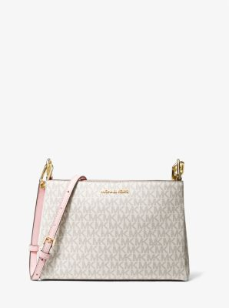 | TRISHA | Crossbody | H21 | PVC | Holiday 2021 | MD TRPL CPTMT XBODY
35H1G9TC8B-8185:MD TRPL CPTMT XBODY/HONEYCOMB MULTI | 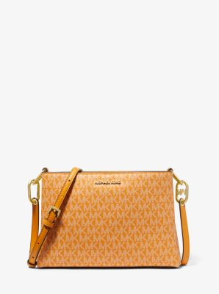 | TRISHA | Crossbody | F22 | PVC | FALL 2022 | MD TRPL CPTMT XBODY
35R3GTVC2L-1:PHON XBDY W CRD HLDR/BLACK | 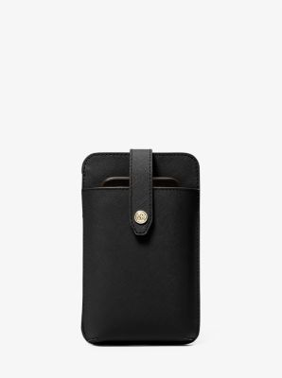 | JET SET TRAVEL | Crossbody | S23 | Saffiano Leather | SPRING 23 | PHON XBDY W CRD HLDR
35R3GTVC2L-7278:PHON XBDY W CRD HLDR/POWDER BLUSH | 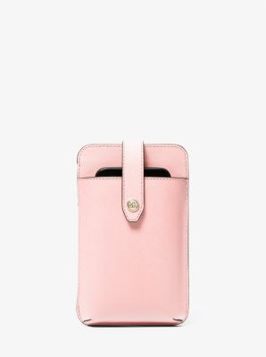 | JET SET TRAVEL | Crossbody | S23 | Saffiano Leather | SPRING 23 | PHON XBDY W CRD HLDR
35R3GTVC2L-230:PHON XBDY W CRD HLDR/LUGGAGE | 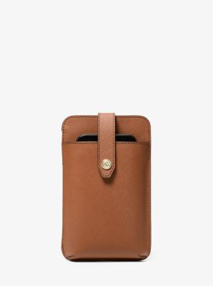 | JET SET TRAVEL | Crossbody | S23 | Saffiano Leather | SPRING 23 | PHON XBDY W CRD HLDR
35R3GTVC2B-200:PHON XBDY W CRD HLDR/BROWN | 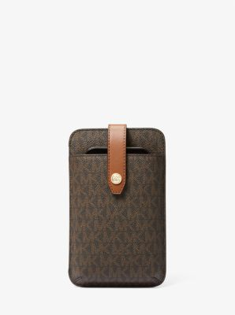 | JET SET TRAVEL | Crossbody | S23 | PVC | SPRING 23 | PHON XBDY W CRD HLDR
35R3STVC2L-1:PHON XBDY W CRD HLDR/BLACK | 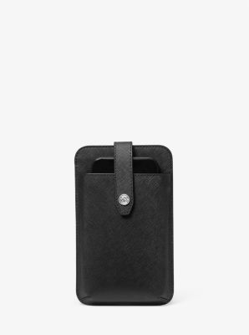 | JET SET TRAVEL | Crossbody | F23 | Saffiano Leather | Fall 2023 | PHON XBDY W CRD HLDR
35R3GTVC2B-2605:PHON XBDY W CRD HLDR/LT CRM MULTI | 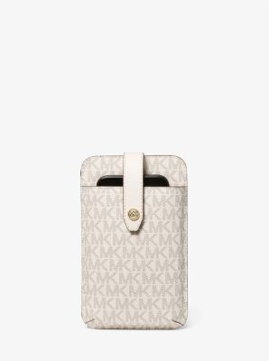 | JET SET TRAVEL | Crossbody | F23 | PVC | Fall 2023 | PHON XBDY W CRD HLDR
35F3GTVC2B-2717:PHON XBDY W CRD HLDR/PRIMROSE | 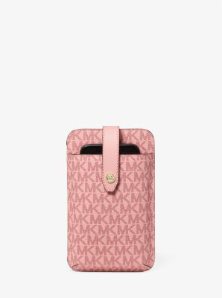 | JET SET TRAVEL | Crossbody | F23 | PVC | Fall 2023 | PHON XBDY W CRD HLDR
35S2GNMC5B-7183:SM NS PHONE XBODY/PWD BLSH MLT | 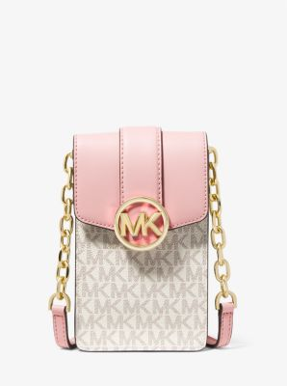 | CARMEN | Crossbody | T22 | PVC | Trans 22 | SM NS PHONE XBODY
35S2GNMC5B-200:SM NS PHONE XBODY/BROWN | 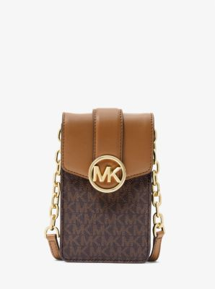 | CARMEN | Crossbody | S22 | PVC | SPRING 22 | SM NS PHONE XBODY
35H0GXPC1V-8181:SM XBODY/BORDEAUX MULTI | 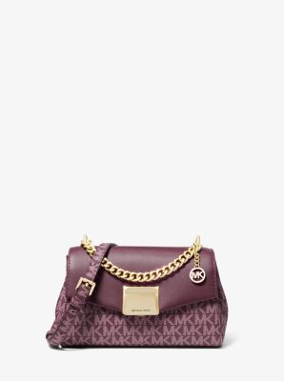 | LITA | Crossbody | F22 | Leather | FALL 2022 | SM XBODY
35H0GXPC1V-8185:SM XBODY/HONEYCOMB MULTI | 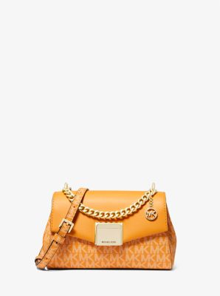 | LITA | Crossbody | F22 | Pebble Leather | FALL 2022 | SM XBODY
35T6GTVE3L-7278:LG THREE QTR ZIP/POWDER BLUSH | 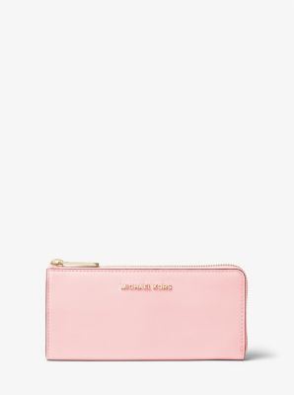 | JET SET TRAVEL | Money Pieces | F21 | Saffiano Leather | Fall 2021 | LG THREE QTR ZIP
35T6GTVE3L-1:LG THREE QTR ZIP/BLACK | 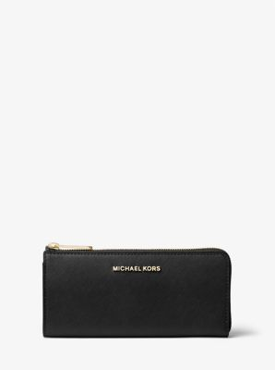 | JET SET TRAVEL | Money Pieces | F16 | Saffiano Leather | Fall 2016 | LG THREE QTR ZIP
35F8GTVZ3B-150:LG THREE QTR ZIP/VANILLA | 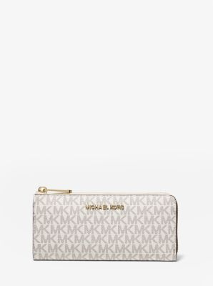 | JET SET TRAVEL | Money Pieces | F19 | PVC | FALL 2019 | LG THREE QTR ZIP
35F8GTVZ3B-200:LG THREE QTR ZIP/BROWN | 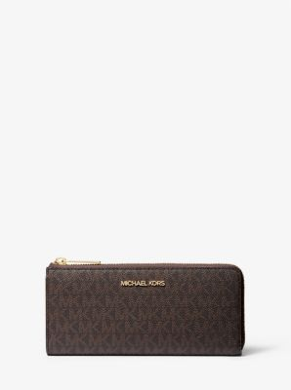 | JET SET TRAVEL | Money Pieces | F19 | PVC | FALL 2019 | LG THREE QTR ZIP
35T6GTVE3L-230:LG THREE QTR ZIP/LUGGAGE | 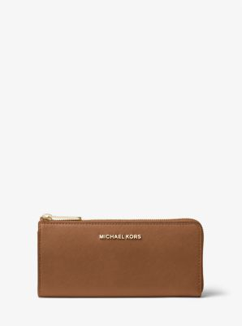 | JET SET TRAVEL | Money Pieces | T16 | Saffiano Leather | Trans 2016 | LG THREE QTR ZIP
35S2GNMF6L-1:MD FLAP BLFLD WALLET/BLACK | 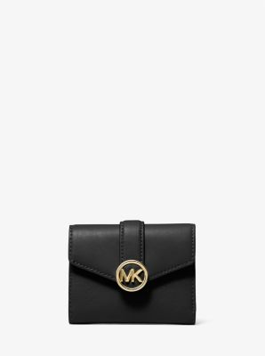 | CARMEN | Money Pieces | S22 | Saffiano Leather | SPRING 22 | MD FLAP BLFLD WALLET
35S2GNMF8B-200:MD FLAP BLFLD WALLET/BROWN | 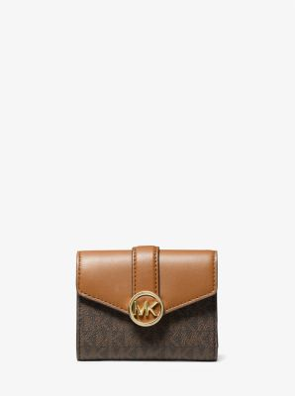 | CARMEN | Money Pieces | S22 | PVC | SPRING 22 | MD FLAP BLFLD WALLET
35F3GNMF8M-705:MD FLAP BLFLD WALLET/PALE GOLD |  | CARMEN | Money Pieces | F23 | Leather | Fall 2023 | MD FLAP BLFLD WALLET
36S3LGFE6B-1:MK CARABINER ZIP WALLET/BLACK | 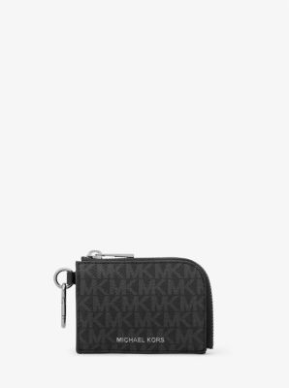 | GIFTING | Travel Pieces | S23 | PVC | SPRING 23 | MK CARABINER ZIP WALLET
35F8GTVW0L-2717:LG DOUBLE ZIP WRSTLT/PRIMROSE |  | JET SET TRAVEL | Wristlets | F23 | Saffiano Leather | Fall 2023 | LG DOUBLE ZIP WRSTLT
35F8GTVW0B-150:LG DOUBLE ZIP WRSTLT/VANILLA |  | JET SET TRAVEL | Wristlets | F19 | PVC | FALL 2019 | LG DOUBLE ZIP WRSTLT
35F8GTVW0B-200:LG DOUBLE ZIP WRSTLT/BROWN |  | JET SET TRAVEL | Wristlets | F19 | PVC | FALL 2019 | LG DOUBLE ZIP WRSTLT
35F8GTVW0L-410:LG DOUBLE ZIP WRSTLT/NAVY |  | JET SET TRAVEL | Wristlets | F18 | Saffiano Leather | FALL 2018 | LG DOUBLE ZIP WRSTLT
36R3LCOF3U-461:BLLFLD W COIN PKT/DENIM | 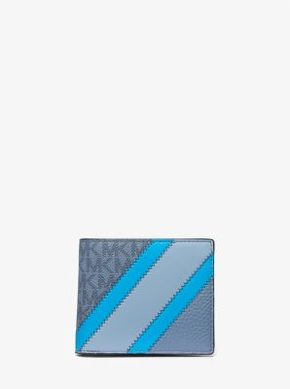 | COOPER | Billfold | S23 | PVC | SPRING 23 | BLLFLD W COIN PKT
36R3LCOF3U-319:BLLFLD W COIN PKT/PALM GREEN |  | COOPER | Billfold | S23 | PVC | SPRING 23 | BLLFLD W COIN PKT
37H9LGFD1B-1:MONEY CLIP CC BOX SET/BLACK | 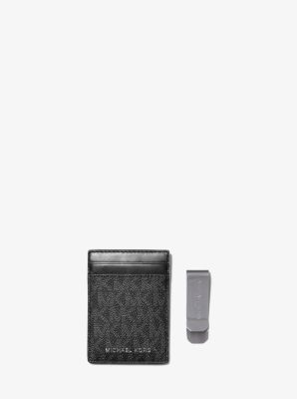 | GIFTING | Box Sets | H19 | PVC | Holiday 2019 | MONEY CLIP CC BOX SET
37H9LGFD1B-2068:MONEY CLIP CC BOX SET/ADMRL/PLBLUE | 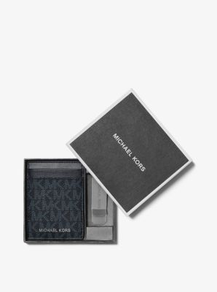 | GIFTING | Box Sets | H19 | PVC | Holiday 2019 | MONEY CLIP CC BOX SET
37H9LGFD1B-1228:MONEY CLIP CC BOX SET/BROWN/BLACK | 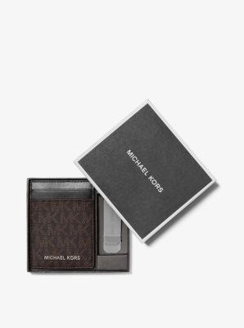 | GIFTING | Box Sets | H19 | PVC | Holiday 2019 | MONEY CLIP CC BOX SET
36F9LCOD2L-410:TALL CARD CASE/NAVY | 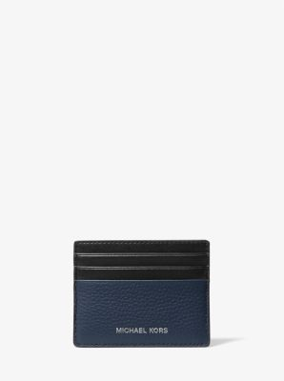 | COOPER | Card Case | H19 | Leather | Holiday 2019 | TALL CARD CASE
36F9LCOD2L-230:TALL CARD CASE/LUGGAGE | 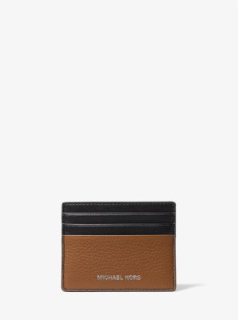 | COOPER | Card Case | F21 | Leather | Fall 2021 | TALL CARD CASE
35S3STVD3L-1:EW CRD CS ID LANYARD/BLACK | 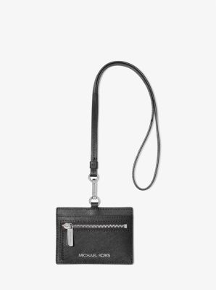 | JET SET TRAVEL | Money Pieces | F23 | Saffiano Leather | Fall 2023 | EW CRD CS ID LANYARD
32H0GTML0B-1546:CLIPCASE FOR AIRPODS/VANILLA/ACORN | 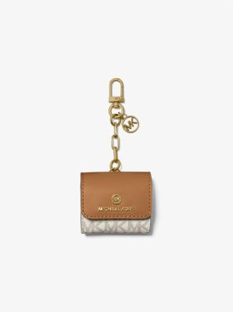 | TRAVEL ACCESSORIES | Novelty | F21 | PVC | Fall 2021 | CLIPCASE FOR AIRPODS
35F3GTFN4B-150:UMBRELLA/VANILLA | 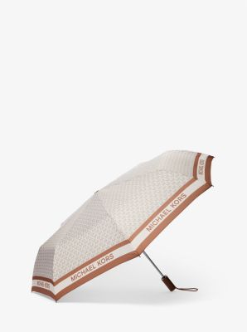 | TRAVEL | Novelty | F23 | PVC | Fall 2023 | UMBRELLA
35F3GTFN4B-200:UMBRELLA/BROWN | 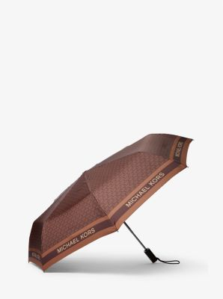 | TRAVEL | Novelty | F23 | PVC | Fall 2023 | UMBRELLA
35S0PU0N7C-100:LG DUST BAG/WHITE | 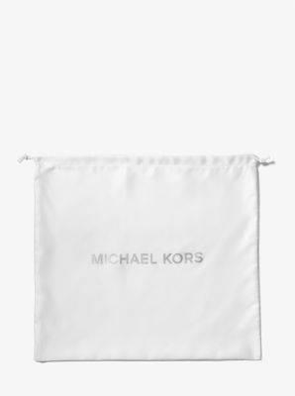 | DUST BAG | Other | S20 | UNKNOWN | Spring 2020 | LG DUST BAG
35S0PU0N1C-100:SM DUST BAG/WHITE |  | DUST BAG | Other | S20 | UNKNOWN | Spring 2020 | SM DUST BAG
35S0PU0N4C-100:XL DUST BAG/WHITE | 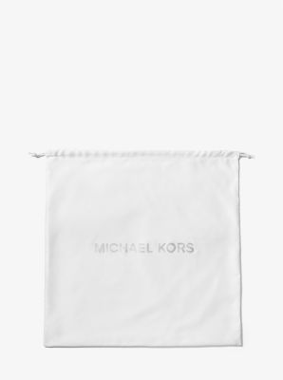 | DUST BAG | Other | S20 | UNKNOWN | Spring 2020 | XL DUST BAG
...

